week1
Computer Science 2 Project | Team Members: | Angel Balmonte
Group Progress Report |  | Xynia Rizaan Herbito
3rd Quarter

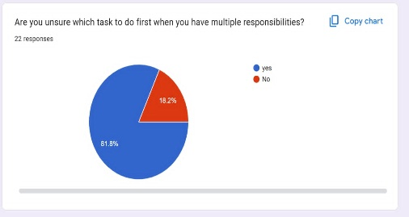
Week 1 - Jan 16, 2026 (covers week 1-3 of proj sched)
GOAL State your goal for the Week | DATA COLLECTED State/list the data collected relevant to your project | PROGRESS State the progress you have made so far by the end of the week
Create a survey form to gather information on how many pisay scholars are struggling on time management because of indecisiveness. |  | We have made a form and with this form we found out on approximately how many pisay scholars are struggling with indecisiveness

STRENGTH
We have the data to see how many students struggle with indecisiveness

AREAS FOR DEVELOPMENT
We need more information to support our proposal

STRATEGY FOR SUCCESS
Collect more information and study more python functions

